Sheet1
Issue Name | Details | Comment
Settings | 1.while up-down the buuton of Night Dark boost,it cannot hold the light filter. -Done 2.Save last domain is not working. 3.Simultanus download is not working. | 3.an alert message can inform user about his downloading limit.
File | 1.whatever I want to open from file it always open the the 1st file .(Images)
new tab | 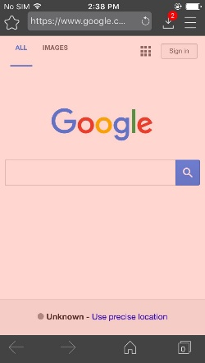 1.new tab should not be blank , must have search engine. -Done 2.Take 1 or more tab,then delete the tabs, a blank tab is showed 3.user can use multi tab without subscription. 4.if user turn off usepasscode,quit and repoen the app, the tab number says 0 | 2.the blank tab should be reloaded to home page
Add Bookmark | 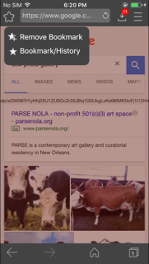 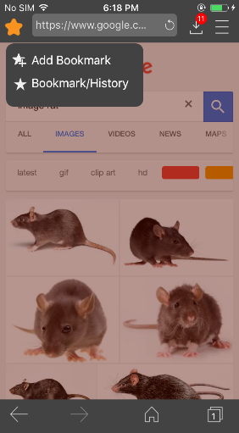 1.Bookmark sign is not working according to operation
Review | 1.review unlock is not showing against Done button of settings
Crash | 1.take new tab,click home button and app crashes -Done 2.Take 1 or more tab,then delete the tabs, a blank tab is showed,click home button , app crashed.
Home button | 1. while browsing if user click home button user must be in home paage of any tab. -Done
Backwadr/forrward button | Both of the button should be disabled if user click home button while browsing.
Ad Bar | No Ad bar according to requorment.
Subscription | 1.no subacription shows when ssubshome=1

